Bug Report
Sl | Bug
1 | Edit button is not editable

2 | Same item is displaying twice

3 | Click on Dashboard link -404 Error appears.
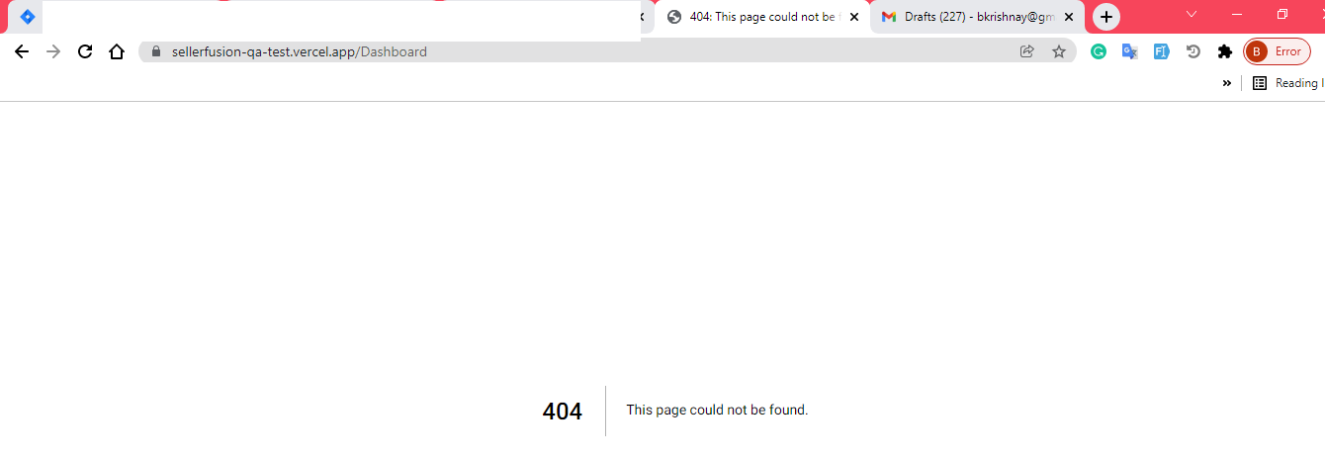

4
 | Click on "Profit" link . Its redirct to same page. It should be profit page.
 | Refer Screen cast:
 | https://www.screencast.com/t/NTc25CK092I
5 | IN the Table all fileld label link is not working asc/desc.
 | Refer Screen cast:
 | https://www.screencast.com/t/LX3mZDbTKFuM
6 | In the bottom of the page all the link is not working. Its redirct to same page. Also facebook, LInkedinPage disable. It should be enable and redirect to proper page.
 | Refer Screen cast:
 | https://www.screencast.com/t/KL4KcStSPUx

